CARs
Firm | Clean start | Clean end | Event start | Day 0 | Event end | Market beta | CAR [-1, +1] | t-test
BE0974293251 | 2003-05-17 | 2004-01-21 | 2004-03-02 | 2004-03-03 | 2004-03-04 |  | 7.7321806939 |  | ? --> 16/05/2003 is used because 17/05 falls on a weekend
GB0004835483 | 2001-08-12 | 2002-04-18 | 2002-05-29 | 2002-05-30 | 2002-05-31
NL0000009165 | 2009-03-26 | 2009-11-30 | 2010-01-10 | 2010-01-11 | 2010-01-12
DK0010181759 | 2003-04-04 | 2003-12-09 | 2004-01-19 | 2004-01-20 | 2004-01-21
NL0015435975 | 2013-06-28 | 2014-03-04 | 2014-04-14 | 2014-04-15 | 2014-04-16
GB00B0HZP136 | 2004-11-04 | 2005-07-11 | 2005-08-21 | 2005-08-22 | 2005-08-23

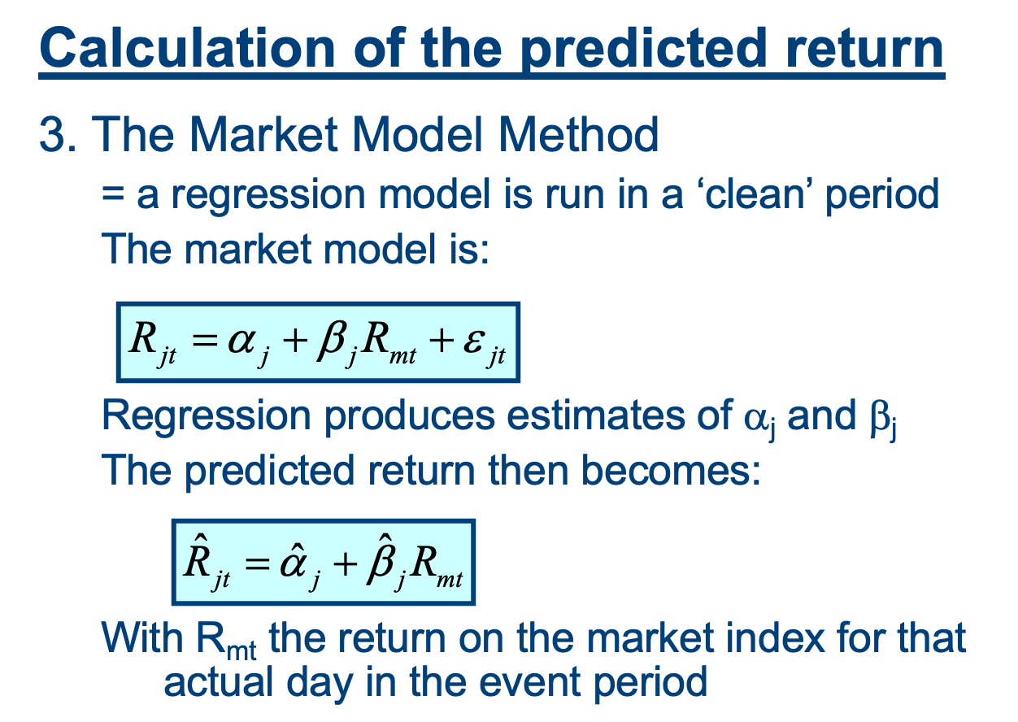
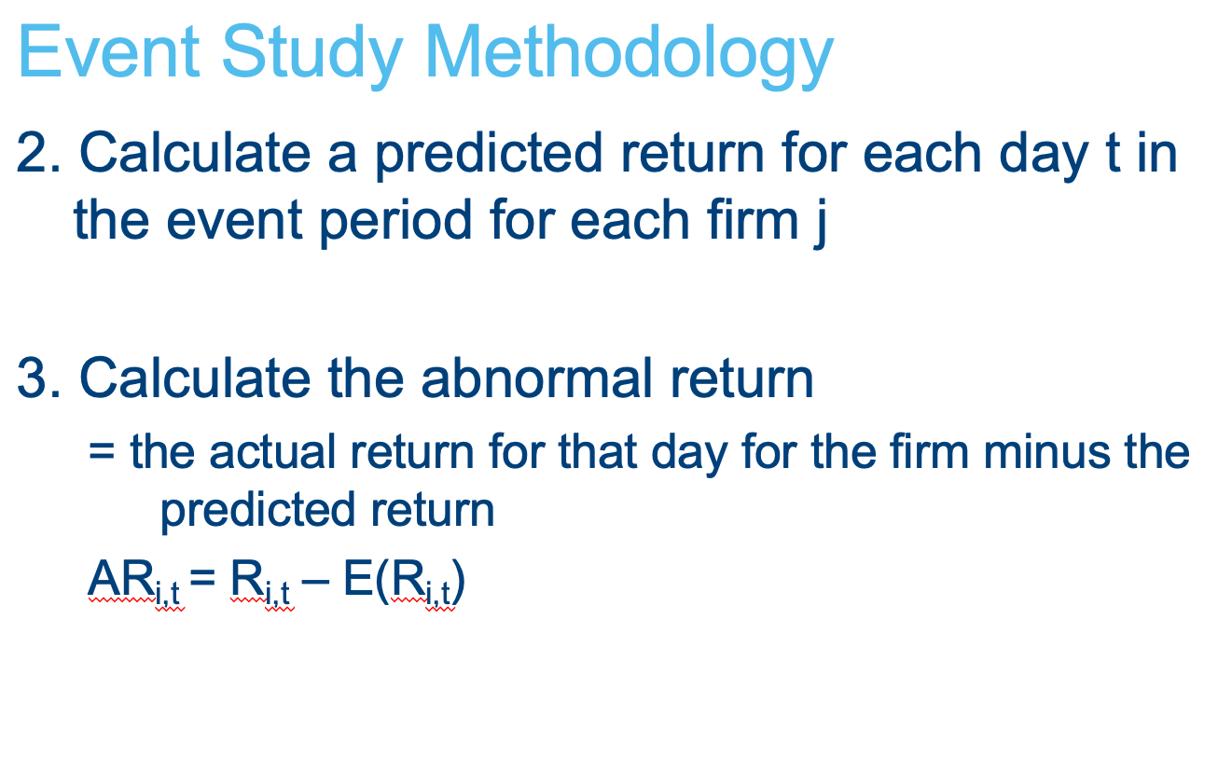

Firm | estimated alpha | estimated ß | E(Ri,-1) | E(Ri,0) | E(Ri,+1) | AR(-1) | AR(0) | AR(+1)
BE0974293251 | 21.130530905 | 0.014042136464 | 69.503640873 | 69.378174383 | 69.62600405 | 1.9063591272 | 3.8918256166 | 1.9339959501
GB0004835483
NL0000009165
DK0010181759
NL0015435975
GB00B0HZP136

